FIELD INSTRUCTIONS
CSF - CONTAINER SPECIFICATION FORM

Field Instructions
SC-CSF-1.11
RETURN COMPLETED | pfep@international.com
FORMS TO:
Instructions: | - All fields MUST be fully completed, otherwise, form will not be approved and will be sent back for completion. - When using International owned returnable containers, it's also requiered to have an approved "One Way" expendable packaging form completed for International review. - If an "One Way" packaging form isn't completed along with the primary returnable form, form will not be approved and will be returned for completion. - If primary returnable packaging is not available when shipments need to be made, use of "One Way" packaging will be utilized with prior approval from International.
Responsible Party | Instructions
OBSERVATION | GREY | FIELDS IN "GREY" ARE LOCKED, SOME ARE AUTO CALCULATIONS.
OBSERVATION | BLACK | FIELDS IN "BLACK" ARE LOCKED, HEADERS.
OBSERVATION | GREEN | (4) APPLICATION FIELD IN "GREEN" DESIGNATES (RETURNABLE) CONTAINER.
OBSERVATION | YELLOW | (4) APPLICATION FIELD IN "YELLOW" DESIGNATES ONE WAY (EXPENDABLE) CONTAINER.
Supplier | WHITE | FIELDS IN "WHITE", MANUAL ENTERIES THAN SHOULD BE FILLED BY SUPPLIER.
Supplier | BLUE | FIELDS IN "BLUE", SUPPLIER SHOULD CHOOSE ONE OF THE OPTIONS ON THE DROP DOWN BOX.
Supplier | 1. Insert PIECE PRICE COST.
OBSERVATION | 2. Autocalculation on total packaging cost per piece.
Supplier | 3. Insert date of initial submittal.
Supplier | 4. Select all International plants affected by this configuration.
OBSERVATION | 5. Ensure correct packaging application tab is selected between "Returnable" or "One Way" depending on the packaging your are submitting for approval.
Supplier | 6. Complete all data required in the supplier information section.
Supplier | 7. Complete all data required in part information section.
Supplier | - Input part number. If there is more than one part number that will be in the same shipping container, type "SEE CHARTED PARTS", in the part numbers box, then select the Charted Parts tab an list all the part numbers there along with the part information.
Supplier | - Input part description
Supplier | - Input part dimensions (L/W/H), and select unit of measure for part dimensions.
Supplier | - Input all International Truck/Bus./Power Train model(s) part is used on.
Supplier | - Select whether part is considered hazardous material.
Supplier | - Input part weight and select unit of measure for part weight.
Supplier | 8. Provide a pdf drawing, or photo of the part. (To paste image, copy image to your clipboard, right click in the cell, and select "PASTE PICTURE in CELL").
Supplier/International | 9. Complete all data required in container information section.
Supplier | - Input dimenstions of packaging (L/W/H), and select unit of measure for packaging dimensions.
Supplier | - Select packaging type (if applicable).
Supplier | - Select who owns returnable container, International or Supplier (if applicable).
Supplier | - Select expendable container type (if applicable).
Supplier | - Input cost of expendable container (if applicable).
Supplier | - Select returnable container type (if applicable).
Supplier | - Input cost of expendable container (if applicable).
Supplier | - Select International returnable container model being used (if applicable).
Navistar | - Select International returnable container model color (if applicable).
International/Supplier | - Input International container ID if custom container is being used (if applicable).
International | - Input container cost if custom container is being used (if applicable).
Supplier | - Input returnable/expendable weight when empty.
Supplier | - Input total number of layers of parts per container.
Supplier | - Input total number of parts per layer.
10. Provide a pdf drawing, or photo of container being proposed, (To paste image, copy image to your clipboard, right click in the cell, and select "PASTE PICTURE in CELL").
* Include bulk containers, engineered rack, etc.
PROPERTY OF
INTERNATIONAL
Return Info: PFEP@NAVISTAR.COM
3449019R91
Supplier |  |  | 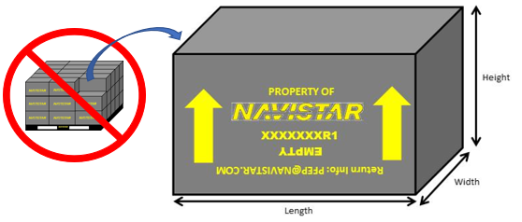 |  | 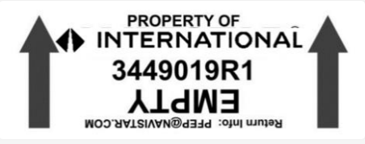
Supplier | 11. Complete all data required in container dunnage section.
International | - Select dunnage type, if "Other", input description (up to three selections, if applicable).
Supplier | - Select dunnage material,input cost of dunnage and select usage of dunnage (up to three selections, if applicable).
Supplier | - Select if dunnage is returnable (if applicable).
Supplier | - Select who owns dunnage (if applicable).
International/Supplier | - List ID's of any additional dunnage used in the shipping containers, (if applicable).
Supplier | 12. Provide a pdf drawing, or photo of dunnage used, (To paste image, copy image to your clipboard, right click in the cell, and select "PASTE PICTURE in CELL").
Supplier | 13. Complete all data required in unit load section.
Supplier | - Input dimensions of unit load (L/W/H), and select unit of measure of unit load dimensions.
Supplier | - Input total number of containers in unit load.
Supplier | - Input wieght of just the shipping pallet, and the unit of measure used.
Supplier | - Input cost of shipping pallet being used to ship unit load.
Supplier | - Select how unit load is being secured to shipping pallet (up to three selections, if applicable).
Supplier | - Input cost of each type of unit load security being proposed (up to three selections, if applicable).
Supplier | - Select if a lid is used with the unit load.
Supplier | - Select if unit load is stackable.
Supplier | - Select how many unit loads / stack.
Supplier | - Input how many total unit loads will fit on a standard 53' van trailer.
Supplier | - Input how many total empty unit loads will fit on a standard 53' van trailer for returns (if applicable).
14. Provide a pdf drawing, or photo of container being proposed, (To paste image, copy image to your clipboard, right click in the cell, and select "PASTE PICTURE in CELL").
INTERNATIONAL
INTERNATIONAL
INTERNATIONAL
INTERNATIONAL
INTERNATIONAL
INTERNATIONAL
INTERNATIONAL
INTERNATIONAL
INTERNATIONAL
Supplier |  |  |  | 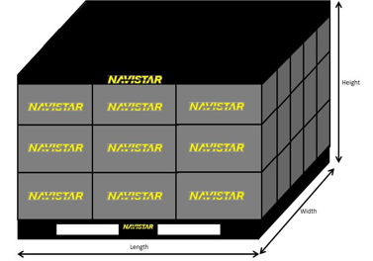
Supplier | 15. Enter any additional information that may be relavant to packaging and/or costs for approval consideration in the packaging costs section. Terms and Conditions: Select "AGREE, or DISAGREE", to the Specifications of this Document.
OBSERVATION | 16. Packaging metrics will auto calculate. Please select the Supplier Guidelines Link for any further information needed.
International / Supplier | 17. Approvals section.
International / Supplier | - Input signature, email address, and title of approver.
International / Supplier | - Input date when approval status is given.
International / Supplier | - Input comments (if applicable).
International | - Input rejection reason if approval is not being granted.
OBSERVATION | 18. Version control
General Information: 1) Please fill in the Part Number on the worksheet tab as described: 2) Save as Excel file, EXAMPLE: CSF_PartNumber_ContainerID 3) Return to the email: pfep@international.com 4) All items mentioned above in section 1-16 must be fully completed prior to section 17 approvals will be granted

 |  |  |  |  |  | Rev: 1.11 Date: 11/18/2024

<EXAMPLE>RETURNABLE
 |  | CONTAINER SPECIFICATION FORM |  |  |  |  |  | (1) PIECE PRICE: |  | $36.78
 |  | SC-CSF-1.11 |  |  |  |  |  | (2) COST PER PIECE (PKG): |  | $0.18
TRUCK / BUS / POWER TRAIN |  | RETURN COMPLETED FORM TO IMTERNATIONAL FOR APPROVAL |  |  |  |  |  | TOTAL COST: |  | $36.96
(3) DATE: |  | (4) INTERNATIONAL PLANT LOCATION(S) WHERE USED |  |  |  |  |  | (5) CSF APPLICATION:
2020-04-08 |  | HSV (029) | SELECT PLANT | SELECT PLANT | SELECT PLANT | SELECT PLANT | SELECT PLANT | PRODUCTION - PRIMARY - RETURNABLE
(6) SUPPLIER INFORMATION
Supplier Name: | Acme Automotive Systems |  | Supplier Code: | 12345X6 |  | Supplier Address: |  | 2701 Navistar Dr. Lisle, IL. 60532
Contact Name: | Johnny Supplier |  | Contact Title: | Packaging Engineer |  | Contact Phone: | (888) 867-5309 |  | Contact Email: | johnny.supplier@autosystems.com
(7) PART INFORMATION |  |  |  |  |  | (8) PART SKETCH / PHOTO
Part Number: |  | 1234567C1 |  |  |  | 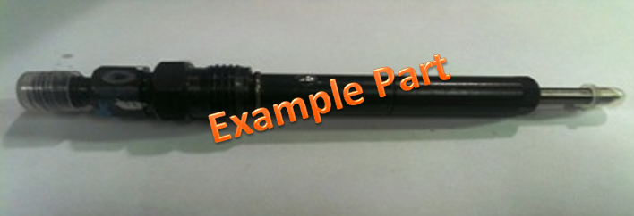 INSERT PICTURE HERE JPEG FORMAT ONLY
Part Description: |  | Diesel Injector
Part Dimensions: |  | LENGTH | WIDTH | HEIGHT | UNIT
 |  | 50.00 | 65.00 | 380.00 | IN
International Model / Engine part: |  | N13 and A26
Hazard Material: |  | NO | Part Weight: | 0.202 | Kg

(9) CONTAINER INFORMATION |  |  |  |  |  | (10) CONTAINER SKETCH / PHOTO
Container Outside Dimensions: |  | LENGTH | WIDTH | HEIGHT | UNIT | 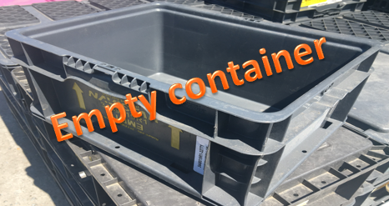 INSERT PICTURE HERE JPEG FORMAT ONLY
 |  | 12.00 | 15.00 | 7.00 | IN
Packaging Type: |  | STEEL | Who Owns Returnable Container: |  | INTL.

Returnable Container Type: |  | HAND TOTE | Number of Returnable Containers Purchased: |  | 9
International Returnable Cont. Model: |  | 121507 | Returnable Primary Color: |  | GREY
International Returnable Container. ID: |  | 3449019R1 | Container Cost per Unit (USD): |  | $7.00
International Return Cont. ID Custom: |  | N/A | Container Cost per Unit if Custom (USD): |  | $-
Returnable Cont. Wt. (LBS. empty): |  | 2.60 | Returnable Cont. Wt. (LBS. including parts): |  | 13.74

Number of Layers of Parts / Container: |  | 1 | Number of Parts per Layer: |  | 25
[A] TOTAL Number of Parts per Container: |  |  | 25
(11) DUNNAGE INFORMATION |  |  |  |  |  | (12) CONTAINER PACK SKETCH / PHOTO (with dunnage)
1st Dunnage Type (if any): |  | TRAY | If Other, Specify: | N/A |  | 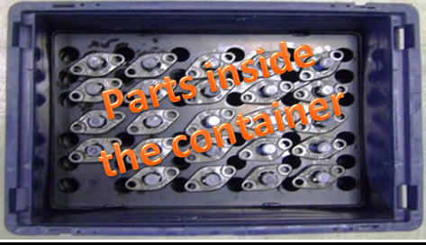 INSERT PICTURE HERE JPEG FORMAT ONLY
2nd Dunnage Type (if any): |  | N/A | If Other, Specify: | N/A
3rd Dunnage Type (if any): |  | N/A | If Other, Specify: | N/A
1st Dunnage Material: | MOLDED PLASTIC | Cost / 1st Dunnage: | $1.50 | 1st Dunnage Usages: | PER LAYER
2nd Dunnage Material: | VCI POUCH | Cost / 2nd Dunnage: | $0.10 | 2nd Dunnage Usages: | PER PIECE
3rd Dunnage Material: | N/A | Cost / 3rd Dunnage: | $- | 3rd Dunnage Usages: | N/A
1st Dunnage Costs Total: | $1.50 | 2nd Dunnage Costs: | $2.50 | 3rd Dunnage Costs Total: | FALSE
TOTAL Dunnage Costs per Container: |  |  | $4.00
Is Dunnage Returnable: |  | YES | Dunnage Owner: | INTERNATIONAL

(13) UNIT LOAD INFORMATION |  |  |  |  |  | (14) UNIT LOAD SKETCH / PHOTO
Unit Load (full palletized size) Outside Dimensions: |  | LENGTH | WIDTH | HEIGHT | UNIT | 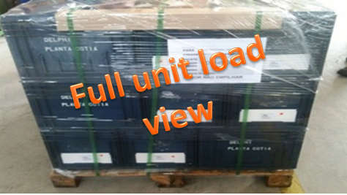 INSERT PICTURE HERE JPEG FORMAT ONLY
 |  | 48.00 | 48.00 | 38.00 | IN
Number of Cont. / Pallet (Unit Load): |  | 36 | TOTAL # of Parts / Pallet (Unit Load): |  | 900
Weight of Pallet: | 20.00 | UNIT | Lbs. | Cost for Shipping Pallet: | $15.00
Unit Load (1): | CARDBOARD CORNER | Cost per Unit Load (1): | $4.00 | TOTAL Costs to Secure each Unit Load: | $21.25
Unit Load (2): | PLASTIC BANDING | Cost per Unit Load (2): | $1.50
Unit Load (3): | SHRINK WRAP | Cost per Unit Load (3): | $0.75
Lid for Unit Load: | NO | Is Unit Load Stackable: | YES | Unit Loads per Stack: | 2
TOTAL Quantity of Stacked Unit Loads per Trailer (53') Inbound: |  |  | 34 | TOTAL Empties per Return: | 34
TOTAL Gross Weight One Full Unit Load (parts + container) |  |  | 22.50 | UNIT | Lbs.
TOTAL Gross Weight Full Inbound Trailer (53') (parts + conts.) |  |  | 765.00 | UNIT | Lbs.

(15) PACKAGING COSTS
TOTAL Expend. Cost Full Unit Load: |  | $- | TOTAL Cont. Dunnage Cost Full Unit Load: |  | $144.00 | TOTAL Costs to Pack / Unit Load: |  | $21.25 | TOTAL Pack Cost One Full Unit Load: |  | $165.25

Special Instructions for Packaging: |  | N/A |  |  |  |  |  | Has Standard Work Been Created for all Packaging Standards: |  |  | YES

Select "AGREE, or DISAGREE", to the Termsand Conditions of this Document. All prior Container Specification Forms for these part numbers are obsolete. |  |  |  |  |  |  |  |  |  |  | SELECT
(16) PACKAGING METRICS
Part Volume [B] (in3) | 75.36 | UNIT | Container Volume [C] (in3) | 1,260.00 | UNIT | Part Density [A/C] | 0.0198 | UNIT | Container Unitization [B*C] / 100 | 54.95% | UNIT
 |  | INCHES |  |  | INCHES |  |  | INCHES |  |  | %
Note - Remove all trash and previous shipment stickers prior to using all racks and containers - see Supplier Guidelines. Document Link |  |  |  |  |  |  |  |  | Supplier Guidelines
(17) APPROPVAL SIGNATURES REQUIRED
 | AREA | NAME |  | EMAIL |  |  |  | TITLE |  | DATE | STATUS
INTERNATIONAL | Supply Chain | Johnny Supplychain |  | johnny.supplychain@international.com |  |  |  | Supply Chain Manager |  | 2020-03-17 | INTERIM APPR
 | Ergonomics | Johnny Ergonomics |  | johnny.ergonomics@international.com |  |  |  | Ergonomics Engineer |  | 2020-03-17 | APPROVED
 | Manufacturing | Johnny Manufacturing |  | johnny.manufacturing@international.com |  |  |  | Manufacturing BTL |  | 2020-03-17 | APPROVED
 | Quality | Johnny Quality |  | johnny.quality@international.com |  |  |  | Quality Supervisor |  | 2020-03-17 | INTERIM APPR
 | Safety | Johnny Safety |  | johnny.safety@international.com |  |  |  | Safety Coordinator |  | 2020-03-17 | APPROVED
SUPPLIER | Representative | Johnny Supplier |  | johnny.supplier@automotivesystems.com |  |  |  | Packaging Engineer |  | 2020-03-16 | APPROVED
COMMENTS |  | Interim approval granted. Final approval pending Phase 3 PPAP approval
REJECT REASON (International Only)
THIS FORM SHOULD BE SUBMITTED IN EXCEL FORMAT FOR APPROVAL TO EMAIL: pfep@international.com
(18) VERSION 1.11, DATE: 11/18/2024

<EXAMPLE>ONE WAY
 |  | CONTAINER SPECIFICATION FORM |  |  |  |  |  | (1) PIECE PRICE: |  | $12.45
 |  | SC-CSF-1.11 |  |  |  |  |  | (2) COST PER PIECE (PKG): |  | $1.51
TRUCK / BUS / POWER TRAIN |  | RETURN COMPLETED FORM TO INTERNATIONAL FOR APPROVAL |  |  |  |  |  | TOTAL COST: |  | $13.96
(3) DATE: |  | (4) INTERNATIONAL PLANT LOCATION(S) WHERE USED |  |  |  |  |  | (5) CSF APPLICATION:
 |  | HPP (029) | SELECT PLANT | SELECT PLANT | SELECT PLANT | SELECT PLANT | SELECT PLANT | PRODUCTION - PRIMARY - ONE WAY
(6) SUPPLIER INFORMATION
Supplier Name: | Acme Automotive Systems |  | Supplier Code: | 12345X6 |  | Supplier Address: |  | 2701 Navistar Dr. Lisle, IL. 60532
Contact Name: | Johnny Supplier |  | Contact Title: | Packaging Engineer |  | Contact Phone: | (888) 867-5309 |  | Contact Email: | johnny.supplier@autosystems.com
(7) PART INFORMATION |  |  |  |  |  | (8) PART SKETCH / PHOTO
Part Number: |  | 4026579C93 |  |  |  | 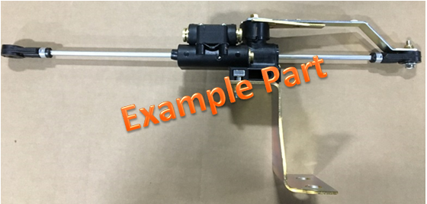 INSERT PART PICTURE HERE TO INSERT PICTURE, RIGHT CLICK, SELECT PASTE PICTURE JPEG FORMAT ONLY
Part Description: |  | Valve, Leveling
Part Dimensions: |  | LENGTH | WIDTH | HEIGHT | UNIT
 |  | 20.25 | 4.00 | 8.00 | IN
International Model / Engine part: |  | All Models
Hazard Material: |  | NO | Part Weight: | 1.107 | Lbs.

Empty container
(9) CONTAINER INFORMATION |  |  |  |  |  | (10) CONTAINER SKETCH / PHOTO
Container Outside Dimensions: |  | LENGTH | WIDTH | HEIGHT | UNIT | 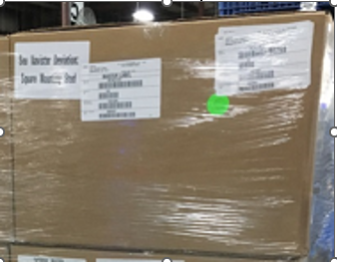
 |  | 23.75 | 22.25 | 15.75 | IN
Packaging Type:
Expendable Container Type: |  | PLASTIC PALLET | Expendable Cost (USD): |  | $15.00

Expendable Container. Weight (empty): |  | 0.50 | Expendable Cont. Weight (w / parts): |  | 13.78
Number of Layers of Parts per Container: |  | 3 | Number of Parts per Layer: |  | 4
[A] TOTAL Number of Parts per Container: |  |  | 12
(11) DUNNAGE INFORMATION |  |  |  |  |  | (12) CONTAINER PACK SKETCH / PHOTO (with dunnage)
Parts inside
the container
1st Dunnage Type (if any): |  | DIVIDER | If Other, Specify: | N/A |  | 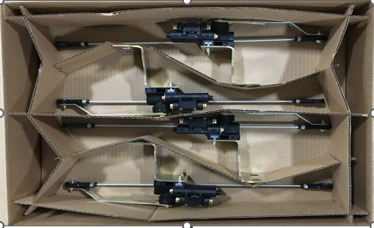
2nd Dunnage Type (if any): |  | DIVIDER | If Other, Specify: | N/A
3rd Dunnage Type (if any): |  | N/A | If Other, Specify: | N/A
1st Dunnage Material: | CORRUGATED | Cost / 1st Dunnage: | $0.38 | 1st Dunnage Usages: | PER LAYER
2nd Dunnage Material: | CARDBOARD | Cost / 2nd Dunnage: | $0.22 | 2nd Dunnage Usages: | PER LAYER
3rd Dunnage Material: | N/A | Cost / 3rd Dunnage: | $- | 3rd Dunnage Usages: | N/A
1st Dunnage Costs: | $1.14 | 2nd Dunnage Costs: | $0.66 | 3rd Dunnage Costs Total: | FALSE
TOTAL Dunnage Costs per Container: |  |  | $1.80
Is Dunnage Returnable: |  | NO | Dunnage Owner: | N/A

Full unit load
view
(13) UNIT LOAD INFORMATION |  |  |  |  |  | (14) UNIT LOAD SKETCH / PHOTO
Unit Load (full palletized size) Outside Dimensions: |  | LENGTH | WIDTH | HEIGHT | UNIT | 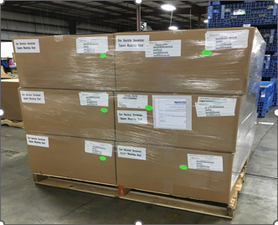
 |  | 48.00 | 48.00 | 38.00 | SELECT
Number of Containers / Pallet (Unit Load): |  | 12 | TOTAL Number of Parts / Pallet (Unit Load): |  | 144
Weight of Pallet: | 20.00 | UNIT | Lbs. | Cost for Shipping Pallet: | $15.00
Unit Load Secured (1): | STRETCH WRAP | Cost / Unit Load (1): | $0.20 | TOTAL Costs to Secure each Unit Load: | $15.20
Unit Load Secured (2): | N/A | Cost / Unit Load (2): | $-
Unit Load Secured (3): | N/A | Cost / Unit Load (3): | $-
Lid for Unit Load: | NO | Is Unit Load Stackable: | YES | Unit Loads per Stack: | 2
TOTAL Quantity of Stacked Unit Loads per Trailer (53') Inbound: |  |  | 34 | TOTAL Empties per Return: | 0
TOTAL Gross Weight One Full Unit Load (parts + container) |  |  | 187.91 | UNIT | Lbs.
TOTAL Gross Weight Full Trailer (53') (parts + containers) |  |  | 6,388.87 | UNIT | Lbs.

(15) PACKAGING COSTS
Expendable Cost, Full Unit Load: |  | $180.00 | Container Dunnage Cost, Full Unit Load: |  | $21.60 | Costs to Secure each Unit Load: |  | $15.20 | Packaging Cost, One Full Unit Load: |  | $216.80

Special Instructions for any Packaging: |  | N/A |  |  |  |  |  | Has Standard Work Been Created, for Pack Standards: |  |  | SELECT

Select "AGREE, or DISAGREE", to the Specifications of this Document. All prior Container Specification Forms for these part numbers are obsolete. |  |  |  |  |  |  |  |  |  |  | SELECT
(16) PACKAGING METRICS
Part Volume [B] (in3) | 0.04 | UNIT | Container Volume [C] (in3) | 8,322.89 | UNIT | Part Density [A/C] | 0.0014 | UNIT | Container Unitization [B*C] / 100 | 0.19% | UNIT
 |  | INCHES |  |  | INCHES |  |  | INCHES |  |  | %
Note - Remove all trash and previous shipment stickers prior to using all racks and containers - see Supplier Guidelines. Document Link |  |  |  |  |  |  |  |  | Supplier Guidelines
(17) APPROPVAL SIGNATURES REQUIRED
 | AREA | NAME |  | EMAIL |  |  |  | TITLE |  | DATE | STATUS
INTERNATIONAL | Supply Chain | Johnny Supplychain |  | johnny.supplychain@international.com |  |  |  | Supply Chain Manager |  | 2020-03-17 | INTERIM APPR
 | Ergonomics | Johnny Ergonomics |  | johnny.ergonomics@international.com |  |  |  | Ergonomics Engineer |  | 2020-03-17 | APPROVED
 | Manufacturing | Johnny Manufacturing |  | johnny.manufacturing@international.com |  |  |  | Manufacturing BTL |  | 2020-03-17 | APPROVED
 | Quality | Johnny Quality |  | johnny.quality@international.com |  |  |  | Quality Supervisor |  | 2020-03-17 | APPROVED
 | Safety | Johnny Safety |  | johnny.safety@international.com |  |  |  | Safety Coordinator |  | 2020-03-17 | INTERIM APPR
SUPPLIER | Representative | Johnny Supplier |  | johnny.supplier@automotivesystems.com |  |  |  | Packaging Engineer |  | 2020-03-16 | APPROVED
COMMENTS |  | Interim approval granted. Final approval pending Phase 3 PPAP approval
REJECT REASON (International Use Only)
THIS FORM SHOULD BE SUBMITTED IN EXCEL FORMAT FOR APPROVAL TO EMAIL: pfep@international.com
(18) VERSION 1.11, DATE: 11/18/2024

